BE -Notes
Criticality of onlines |  |  |  | Client Calls |  |  |  |  |  |  | MVS Commands |  |  |  | Description of work done |  |  |  | Important
• In ispf menu in P1--> sp op --> 5.2 --> give APC* • APCUD100 - CICS up • APCDD100 - CICS down • More than 1200 Belgium bank batch jobs will be running which have to completed by 7:00 hrs but usually takes 2 hrs • During year end/quarter, it usually takes about 1 hr or more longer • If any errors, action has to be taken to resolve |  |  |  | • Daily calls are at 10:30 CET • Discussion about issues, updates, modification, doubts, etc… • On Friday Video call at 9:00 CET |  |  |  |  |  |  | • v f94c, console - for varying consoles and connecting • k s - to set RD mode on consoles • d grs,c - to check the dataset waiting status details • d r,l - to check WTOR messages on consoles • d a,l - to check active running applications • /$dspl or $dq on sdsf to check spool % • /$dspl,jobs=x - give x value to see which job is taking spool space • c u=userid - to cancel user job issuing cmd in console • d ts,l - to list all active users on mainframe • $djJob-num - to check job with job number • $dstask-num - to check which job throws error • /p 830F - to stop msg class • $DSPL,JOBS=5 - to display jobs using above 5% spool • $AQ,C=89 - to open job class • $djobclass(8) - to see the status of jobclass 8 • $djobname - to see name of job. • TSO SEND 'TRY THIS' USER(D1RXO34) LOGON - to send message from ispf screen whehter user is logged on or not • SET DISPLAY ON/OFF |  |  |  | • Job monitoring • Resolving abends(SE37,SB37), contention(911), JCL errors, 2024( MQ abends) • Batch monitoring (OPC) • Consoles monitoring • Requests (from front office, SILVA) • Mails • Health checkups • Callouts • Handovers • Daily meetings/weekend ones |  |  |  | • Citrix - xgen11 and password • KR - gccoper1 and test • Balie - d1rxu01 and P@s1513r • Phoenix - dfolp01 and life • PPM - xgen001 and xgen001

 |  |  |  | Entries in Shift Log
 |  |  |  | • Only for BE --> any details about callouts, P1/P2 incidents or TSO P1 handovers • All demand details are updated as well Updation details format for new : Impact location - Belgium Service - Mainfram SYS CI component - Other Category - Operation Communication - ATI --> second level(depends on what) NRI - No • Give 'TSOP1 handover by GCC' as subject line if any abends in P1 which has not been handled and needs to be logged • Rota plan option to be chosen for Germany updates
 | y
Production readyness Report
• Everyday at 7:00 CET -this report is updated • click on the specific link(open in normal browser) --> 2017 --> JAN --> Date --> then update the excel within it • contains all updates regarding various checklists

 |  |  |  |  |  |  |  |  |  |  |  |  |  |  | Abbreviations |  |  |  | Important contacts
NESD Online Availability |  |  |  |  |  |  |  |  |  |  |  |  |  |  | • GCC - Global Command Center • HMC -Hardware Management Console • OPC - Operation Planning Control • AOC - Automated Operation Control • CDM - Communication Display Management • MIM - Major Incident Management • MAL - Master Application List • KPI - Key Performance Indicator • SLA - Service Level Agreement • BAU - Busniness as Usual • PPM - Project and Portfolio Management Center • IPL - Initial Program Load • LPAR - Logical partition |  |  |  | • ATS_NESD_BE_MIM • ATS_NESD_BE_JobSched_Bank • ATS_NESD_BE_Mainframe • ATS_NESD_BE_JobSched_INS(insurance) • ATS_NESD_BE_TSM (related to bkup recovery) • ATS_NESD_BE_URM (related to ID issues) • ATS_NESD_BE_SALABE (server related) • ATS_NESD_BE_SAVABE (server related) • ATS_NESD_BE_BackupRecovery • ATS_NESD_BE_MainframeStorage • ATS_NESD_BE_GCC_Mainframe • ATS_NESD_BE_GCC_Distributed
• Open the same link as above, open specific report and update this report around 7:00 CET • This is updated every day and it shows start and stop of the batch and online cycles

GCC Dataset access Report |  |  |  | Check notes for other references
• Open similar link --> 2017 • To be updated every Monday only • All updates from entire week which is updated in shared drive in path mentioned below, is updated in the link above • Computer --> Shared --> GCC --> Command Center --> NESD --> Write Access mode --> 2017 GCC data access • This report shows who all used prod datasets(read/write/update) and mails are auto triggered

 | All LPAR's |  |  |  |  |  |  |  | Types of AOC's

 |  |  |  |  |  |  |  |  |  |  |  |  |  |  |  |  | Connection of AOC's
 |  |  | P - Production
 |  |  | Q - Staging
 |  |  | D - Development
 |  |  | T -Test

 |  |  |  |  |  | Connection of Consoles

Knowledge Root |  |  |  |  |  |  | SILVA |  |  |  |  |  |  | Front Office
• Contains all documents related to process for both Germany and Belgium • Can open this from Citrix homepage after logging in • Search for any keywords in the search bar
 |  |  |  |  |  | • Silva is the platform for all internal and client related tickets that are tracked • Login to Silva • Look under Incidents(INC) or Change(CHG) for all important tickets for us • Under Incidents there are many options: - Open Incidents under my group - Assigned to me - Open (contains all groups related tickets) - Resolved (shows all groups closed incidents) - All (search any ticket by choosing this option) - Create New (for new tickets) - for creating new ticket below are the mandatory options to fill: --------------------------------------------------------------------------------------- •Name : •Company: (gets autofilled when name is entered) •Business: Mainframe •Category: Batch flow •Sub Category: •Description and notes: (fill accordingly) •Priortiy,Impact and Urgency : 4 •Assignment group : Mainframe_ATSBE --------------------------------------------------------------------------------------- • Change ticket is not created only opened and starts with CHG • Acknowledge the tickets by giving 'Ack' in the Work notes and then saving it • First status will be 'NEW' --> then changes to 'Work in progress' --> then upon resolving it by giving 'BAU solved by GCC' in work notes and 'Solved(Permanently)' option in closer information status will change to 'Resolved' • Note: Resolved tickets can be reopend but not closed tickets •Differentiate Mainframe related tickets with Distributed - the groups assigned to will be 'GCC_Mainframe_NE' vs 'GCC_Distributed_NE' • Importance of SLA and KPI - Acknowledging time is 15 min and Resolution/ Moving of ticket to second level is 1 hour • KPI 1.1 is the Acknowledging time • KPI 1.3 is the resolution time • If more than SLA time is required for a particular ticket then the ticket is moved from Mainframe /Distributed group to 'GCC_NE' • Once ticket is moved to GCC_NE, time counter stops |  |  |  |  |  |  | • Login to Citrix --> Choose Mozilla Firefox --> Go to 'orderit.aza.be' and then login • Go to Inbox --> From Request type drop down menu choose Batch Management request Bank Prod or Batch Management request non-Bank Prod • Click on the particular selection above and hit GO • Go to the last page and then click on the particular Task ID number • Check below process |  |  |  |  | Creating a SILVA ticket if there has been any GT* abends before 6:45 CET: - Open SILVA and update the below details: Business Service -> BE_AXA_Tech Components EnV - Prod Service -> Basic Dev Category -> Batch Flow Sub Category -> Other Subject -> App GTXXX is NOK on P2

Demand
• Whenever any job abends in P1, automatic tickets are raised in SILVA • If the abends like space issue, contention, or MQ errors, the issues are resolved and ticket is closed by giving 'BAU solved by GCC' comment • Issue an sd command next to the application that abended to directly go to spool and determine the type of error • If abend is not in our scope, give o(operator instruction) and check what steps have to be taken NOTE: If the description contains keywords like USVD or Cornerstone or dataset name P8RWV.PRDALL.DRWVP001.ARWVD00, directly raise a SILVA ticket only • If no details are given, first check the application in the above dataset to find the contact group • If no application can be found, then create SILVA ticket mentioning that application was not found in the dataset • For any other case, create Demand ticket in below 2 formats(only one is recommended): Search --> Saved Searches --> Operators --> Operators_all - Click modify search and paste the application name in the search bar and give enter - Choose the latest ticket number and make a copy of it by first unchecking the two options - Requestor should be Operators - Verify if the LOB and application are correct by checking in MAL and accordingly update if any changes -Mention the job abend details in suject - IT internal demand should always be 'YES' - Reason for request will be Application support - Submit the ticket and ticket number will be generated •NOTE: When Silva ticket contains PPM request mentioned in it , then go to PPM and update in the notes section with what action was taken.

1

View Task
Edit
4
Back

Assign to Me
2

3

 |  |  |  |  |  |  |  |  |  |  |  |  | To view what the request contains and to know if it falls under our scope

 |  |  |  |  |  |  |  |  |  |  |  |  | To Add/update/ Close the request once request has been completed While closing give 'Ended-OK'/ 'Ended-NOK' Fill the BM notes twice(once pop up will come in the end) For Rejected status fill the BM feedback and not BM notes

 |  |  |  |  |  |  |  |  |  |  |  |  |  |  |  | To go back once add/view/update has been done

 |  |  |  |  |  |  |  |  |  |  |  |  | • If not in our scope then Team Operation Planning will process the ticket and work on it

 |  |  |  |  |  | Closing a Change Ticket in SILVA

1. Initially Change requests with Open state looks like below |  |  |  |  |  |  |  | 2. In the field ”Assigned to” mention your name and Click save…Change Request State will change from “Open” to “Work in Progress”
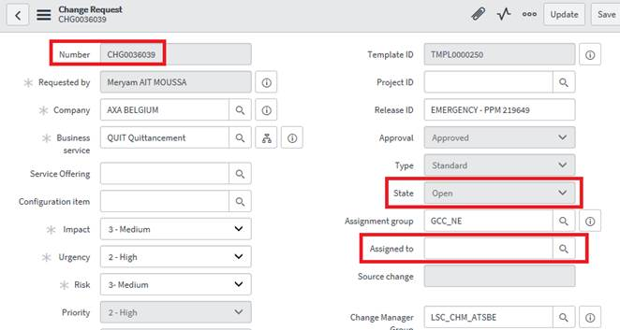
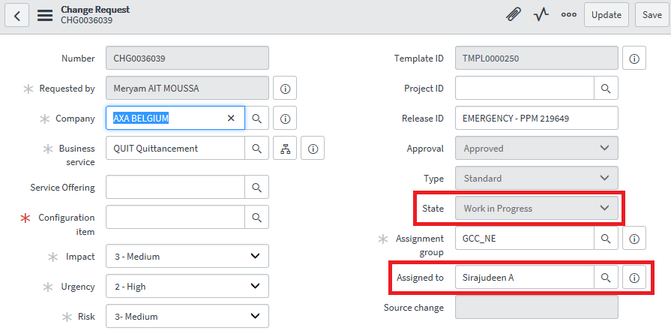

3. At the bottom of the change Request you can find the relevant Task “CTASK0016417” created for the change request”CHG0036039”. |  |  |  |  |  |  |  | 4. Select the above Task ”CTASK0016417” and mention the following fields:

 |  |  |  |  |  |  |  | Assignment Group = GCC_NE
 |  |  |  |  |  |  |  | Assigned to = Sirajudeen A (for ex.)
 |  |  |  |  |  |  |  | State = Closed Complete
 |  |  |  |  |  |  |  | Click “UPDATE”
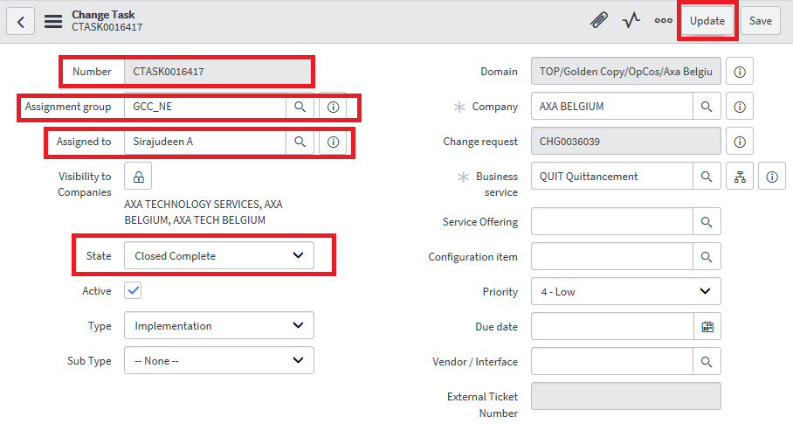

5. After following the above step, Change Request state will automatically turn to “Awaiting CMDB Update” and click on “Update”. |  |  |  |  |  |  |  | 6. At the bottom of the change Request you can see one more Task “CTASK0016421” created.

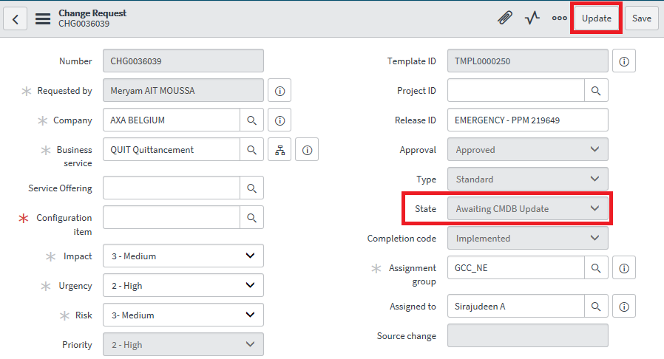
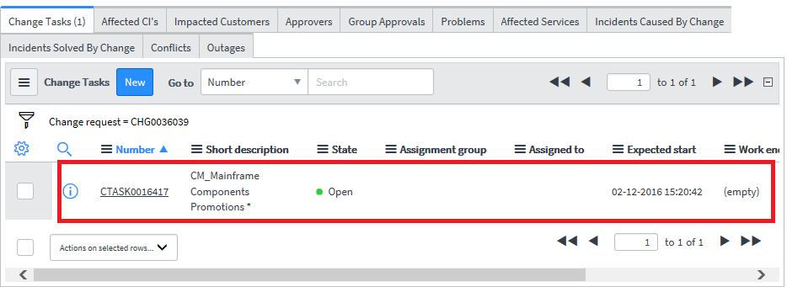

7. Select the above Task “CTASK0016421” and Change the State to “Closed Complete” and Click “Update”. |  |  |  |  |  |  |  | After closing those 2 Tasks, Original Change Request will be closed.
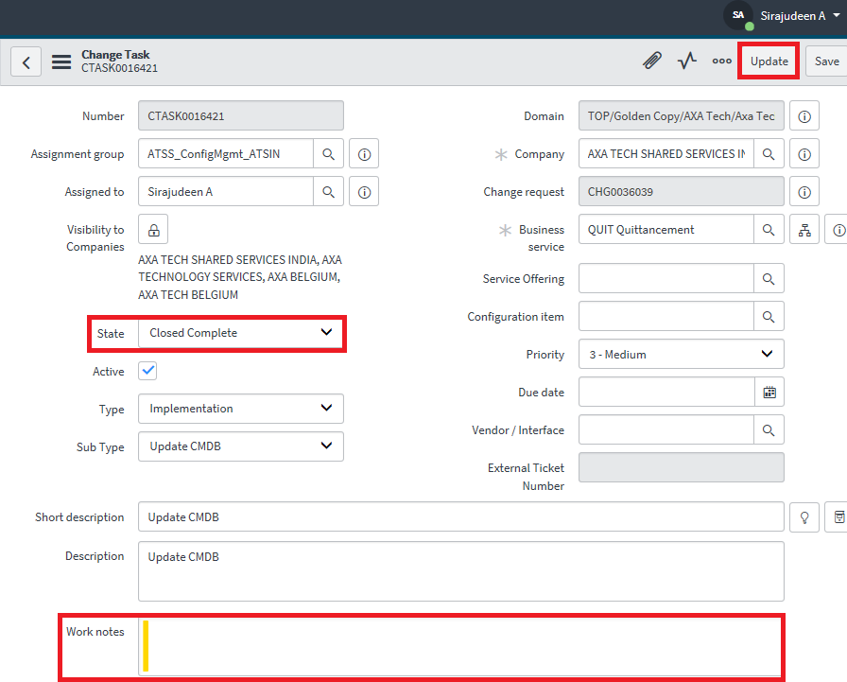
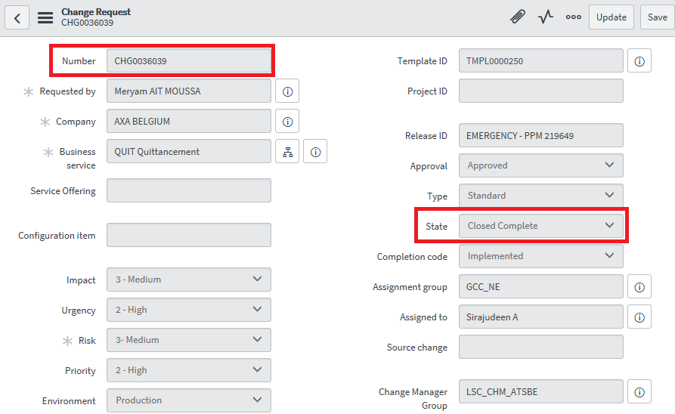

OPC |  |  |  |  |  |  |  |  |  |  |  | How to IPL
Activities done using OPC: • Adding applications -5.1 - Adding a new occurance of an application to a current plan - Add job/application name - give date in YY MM DD format - after hitting enter, mention date of arrival and deadline dates for it to be created • Checking the status of applications - 5.2 - lists the status of the specified applications. - under this option after an application is listed out, give b.2 to see the operation list and all applications related to the listed application will be displayed. From this option choose s.9 option to see all dependencies of the current application like predecessor, successor details. - give s.9 multiple times to see how many related dependencies are shown till 'no list is displayed'. Stop if either 'A' or 'S' or 'list is empty' is reached then in the final application give 's' to see details of what the status of the job is - giving c against an application in this option will complete the application • Operations - 5.3 - main use is for setting manual hold or manual release on a particular job/application - other options include: J - edit JCL M - modify(not used much) MH - manual hold MR - manual release • Marking the applications/job complete - 5.4 - mainly for error handling - layout should always be OPCESA for all abended jobs to be listed - functions: sd - go to spool directly o - to see operators instructions j - editing JCL i - to browse JCL( i.6) c - complete a particular job only cmp - complete an entire application sjr - simple job restart |  |  |  | • Release reception - 4.1 - if applications are in ready list and requires release and allow the run of other applications then this is used • Check operator instructions- 5.7 • Browse JCL - 5.6 Common options used: • b.1 - to check details of application like showing of input arrival and deadline times and actual completion date and time • b.2 - to see various list of applications under a particular application • b.3 - shows dependencies like predessesors and successors details • Reporting jobs,New day scheduler applications - This is checking of APC* jobs and other jobs that have been shared via mail for monitoring the batch process • All Bank jobs start with A* while Insurance jobs start with G* or any other character • Concept of Workstations -: For Bank --> RECP For Insurance --> FEUV • Only if recp is mentioned under s.9 option then only we can release a particular job • Changing workstations - currently not doing but details mentioned below: Issue command NIUS (Not in Use) against any application to dummy complete all the applications so that a particular application alone can run |  |  |  |  |  |  |  | Steps to process IPL: • Every Friday an automatically triggered mail comes for shutdown of T3/Q2 and Re-IPL on Monday • IPL of device to be noted by issuing d iplinfo • First Open HMC, then under Groups, select BE LPAR's and then right click on TEST03 icon -->Toggle lock--> Right click again --> Recovery --> Load • Confirm on the task by selecting Yes then enter password again and then give Yes • Success message should be displayed • Then wait till consoles and AOC's connect • Login to TSO session and release SWITCH applications S1 and S2

 |  |  |  |  |  |  |  |  |  |  | `

 |  | OPC screen displayed after loggin in and giving 'sp op' |  |  |  |  |  |  |  | Selecting option '5' - Modify current plan
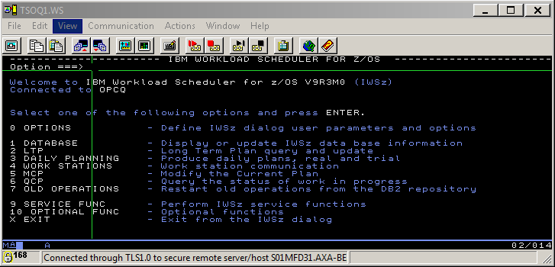
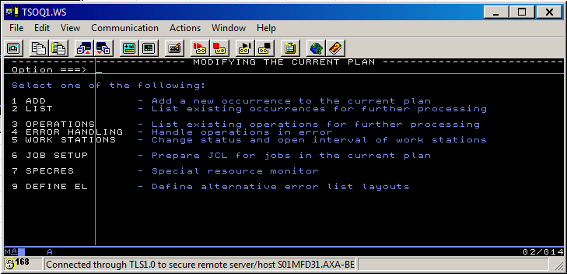

 |  | Option '5.1' - to add an application |  |  |  |  |  |  |  | Option '5.2' - to view list occurances of an application/job
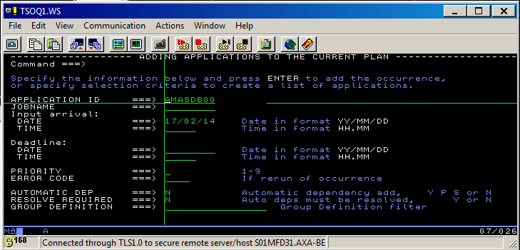
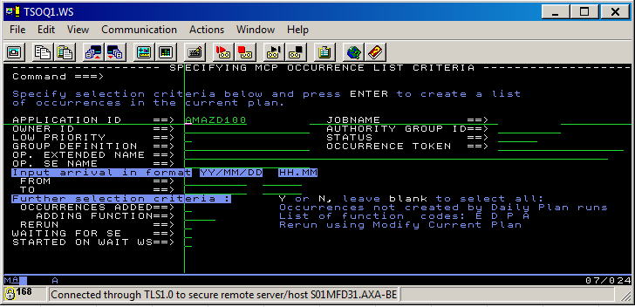

 |  | Option '5.3' - list operations for further processing |  |  |  |  |  |  |  | Option '5.4' - handle operations in error
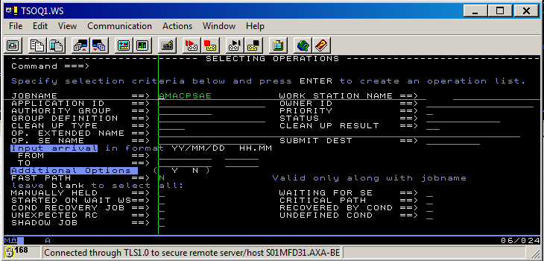
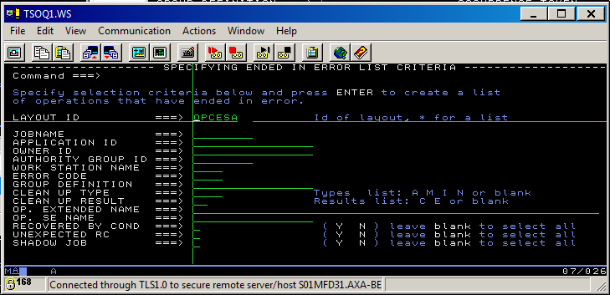
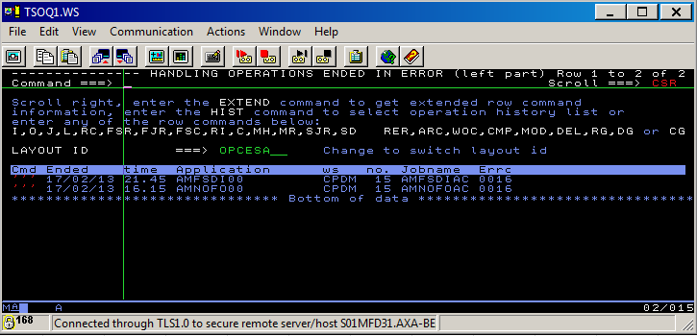

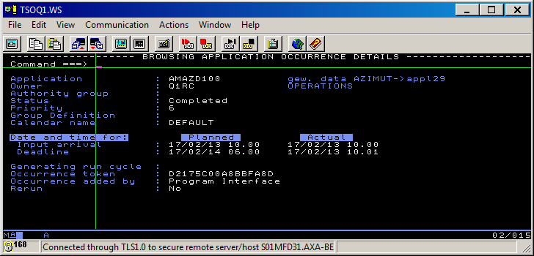
 |  | Selecting 'b.1' in front of the application |  |  |  |  |  |  |  | Selecting 's.9' in front of the application
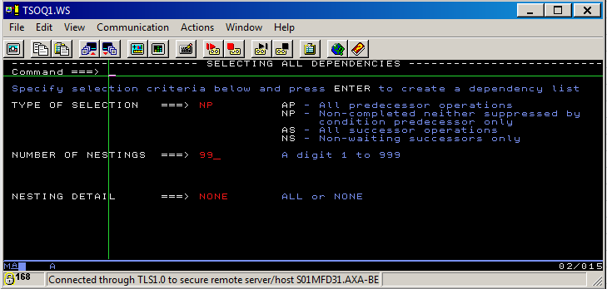

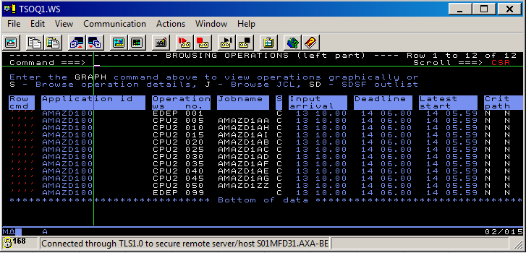

Special Requests Handling
Handle requests for Dataset copy: • Dataset copy -Go to ISPF and option 3.4, give the dataset name --> Go to the Dataset and give / option 8 and give the destination datset to copy the data • Empty Dataset - go to 3.4 and enter the PDS/PS in edit mode give d9999 command to delete the contents • Deletion of Dataset is not in our scope and is not done at all. • Allocation of Dataset - Go to 3.2 option in ISPF menu and give a • Put job on Hold - go to option 5.3 and give mh against the application • Release RECP - Go to option 4.1 and issure n-c to release reception Enable/Disable Transaction in CICS*: • Go to ISPF --> issue command sp cc --> Will display all the active CICS regions --> issue command c against any particular CICS region --> below two commands will appear on the next screen - CEMT I -TRAN(----) ------ place cursor on this and give enter and then F3. It will show status of the transaction under that CICS region, whether enabled or not - CEMT S -TRAN(----) ENA ------ place cursor on this and give enter to enable or disable a particular transaction if requested How to reduce JES2 spool Utilization: Bank :(JES2 RESOURCE SHORTAGE) • In P1 -If 80% is reached for spool utilization, then ARJMD200 application should be added- this is the job which is autotriggered and is responsible for msgclass on prod • In Q1, Q2, Q4 and D1 - Check on KR for exact commands to issue: ‘$OQ,ALL,CANCEL,A=Y’ in which ‘Y’ indicates the maximum number of days you want to go back to in the past (usually ‘3’ or ‘2’) '$OJOBQ,AGA>3,CANCEL' after the age parameter you fill in the number of days you want to go back to in the past (usually ‘3’ or ‘2’) You could also check which job or subsystem is using a lot of spoolspace by the command: ‘/$dspl,jobs=x’. By this command the system will search for all jobs which are using more than x % currently. After execution of this commands the problem will be solved. Insurance: (JES 2 RESOURCE SHORTAGE) • In |  |  |  | Cancel BMP Jobs on Requests: • give command /xxxxdis a on console --> will display all the BMP jobs as below REGID Jobname Type Tran/step Program Status 1 jobname BMP .... ... ... 2 ..... • Check which region id has to be stopped and then give below command /xxxxSTO REG regionid ABDUMP ECU's and DCU's are currently not done by us, instead we handle Package promotions: • For Bank - only in D1 --> check KR Under Bank Endevor • For Insurance - only in D2 --> check KR Under Bank Endevor

How to handle Queue(MQ Series) failures
••••• Two types of MQ Requests••••• - Queues contain Error Queue and Datagram Queue • Auto-triggered mail and console messages: - Normal queque > 1 error: - Usually message with PMYPC200 will come - For this message goto 3.4 --> M2RXM.QUELIB.TEXTA (check for special queue dataset name within it) - Usually for normal queue procede as below: ◘ Go to P1 -->3.4 --> M2RXM.QUELIB.TEXTA (check if dataset is special queue) ◘ If not special queue, go to sp mq ◘ s MQSERIES ◘ 3 to alter the queue values [ex: QMAC123.QUEUE] ◘ 3 again to alter the queue details ◘ Put enabled and Get Enabled should be Y, (if Get Enabled is N- error queue) ◘ Current queue depth value should be noted(NOTE: in any case this value should not exceed the max queue depth value) ◘ F8 thrice then Trigger Set should be Y (if N- error queue) ◘ Trigger depth value to be increased by 1 ◘ After these changes F3 and change error queue to datagram queue (changing E to D- ex: QMADE138) ◘ Similar process as above but no other value except Get Enabled and Trigger Set should be set to Y. Then the request is complete - Normal queque with 1 error: ◘ Go to the following link --> http://insitenet.axa.be/bank/logon/LogonServlet?state=entry&app=YC&cl=nl&re=MASTER&pl=PRD&ab=http://insitenet.axa.be/bank/prd/MASTER/ ◘ Username - D1RXU01 and give password and enter ◘ Paste the queue name and press OPhafen button on top right ◘ List of error messages will be displayed ◘ Click on that error(in this case only 1) and press the Herstarten button(restrart queue) ◘ After performing this make sure the queue options are reset ,i.e. the Get Enalbed and Trigger set for both the error and datagram queue should be Y Special queque: - For this request look in M2RXM.QUELIB.TEXTA and follow the instructions in it - Note : Demand should be created for special queues always |  |  |  | • Only console messages and no mail - Message with PMYPC210 will be displayed - copy paste in the KR and follow the steps given for it - first always make call (business or non-business hours) • For deletion of messages from the queues - separate communication via mail will come after which from Generic citrix - MQ Utility Delete Messages should be opened and then follow steps from KR (executing a batch file in CMD)

How to Bring UP IMS manually on P2/Q3 |  |  |  |  | Bring UP/DOWN Transactions and applications on requests
•Login to TSO sessions • Give .IMS, then choose option 4(Monitor Application Screen) • Choose option 3(Open/Close IMS) • Select option 1B(usually - for Mon - Friday - Afternoon activity) |  |  |  |  | • Go to the particular IMS session (ex: testims) • Give ID (ex: DSHO529) • No password required, then on the main screen, give 02 aadm (appl number) to edit parameters (usually give 1 to bring up and 0 to bring down) • aadm - application list, aapl/atrn - transaction list • Always request an RCA before performing request and then raise P3 ticket for staging/test environments and P2 tickets for production

Modifying JCL |  |  |  |  | Deleting Dependency links
• Go to 5.2 and give particular application name • Give M against the application, then give OPER • Then against the particular listed job, give J to edit the JCL |  |  |  |  | • Go to 5.2 and give particular application name • Give b.3 to check predessor and successor jobs which have to be removed • Give M against the application, then give DEP, then give D against the particular application • This request is done only for Banks

BE- Instructions
For GT* Abends: |  |  |  |  | Other Notes |  |  |  | For Shiftlog Report
• Open GT List sheet from link --> check mail • Then get the assignment group information by searching the application name in this sheet • Only create SILVA ticket • Then Fill the below details in SILVA: - Business Service - BE_AXA_Tech Components - Env - Prod - Service - Basic Development - Category - Other (or batch flow) - Sub Category - Other - Subject - App GT* is NOK in P2 make all priority as 3 |  |  |  |  | • Check the applications on Weekend at 13:00 Hrs CET for the applications metioned in --> http://ipc.applications.services.axa-tech.intraxa/Knowledgeroot/index.php?id=1402 • check the ims id by checking the second job's run status. Search for 'IMS' -- for cancelling BMP job • give command /dis a on console --> will display all the BMP jobs as below REGID Jobname Type Tran/step Program Status 1 jobname BMP .... ... ... 2 ..... • Check which region id has to be stopped and then give below command on Console STO REG regionid ABDUMP or TESTSTO REG regionid ABDUMP Check below document: (give without / sign on console) |  |  |  | For any Packages related work- in shift log, should be updated -for refernce check -2017-02-18 in shift log under 'Template 02' as subject For any germany related to Work request, check 2017-02-22 date under '**Work request' in subject

 |  |  |  |  | IMS REFRESH PROCESS
 |  |  |  |  | Cancelling BMP Jobs
 |  |  |  |  |  | For Q3 it is Q031DIS A ….etc

 |  |  |  |  |  | Job Monitioring |  |  | Application checks:
MC_BANKPRD001 |  | Homebanking related escalation |  |  |  | • Check for SWITCH application abends on P2 and Q3 during job monitoring • For TSOP1 jobs, for APOK ws, check the applications within that particular application, if it has started or not • For T3 shutdown on Friday - it is at 22:30 CET -release SWITCH* (only E0, E1, E2) • For Q2 shutdown on Friday - it is at 18:00 CET -release 1 application then wait for another to complete ARJSW000 then wait till ARJSW900 completes |  |  | • Major incident for IBT2_74-CLINK appl - If mail comes like this and contains MF appl in subject line -Need to Login to IMS, give AADM and the application number and check if it is up or not and check GLRM as well
Batch Abend |  | Backout or not -P1
 |  | Backout or not -Q1,Q2,Q3
 |  | MQ 2024
Deleting Sessions on IMS |  | Check Mail
MVS commands |  | Important MVS commands
Space Abends |  | Folder link for Space abends
TSM Abends |  | Flowchart AT abends
Checklist BE |  | Checklist Link
IMS Refresh |  | IMS Refresh
Insurance ENDV |  | Endevor - Insurance(CHG) |  |  |  | T3 and Q2 Re-IPL |  |  | • After releasing ARJSW000 at 18:00 CET, and after ARJSW900 completes, issue 'D IPLINFO' on console • Save the IPL information (IPL Device number) • Issue command IPLDOWN on AOCQ2 (on console WTOR number, BQ20 • after d,a,l is all 0, then issue Z EOD on Q2 console • then issue V XCF,BQ20,OFFLINE
Bank ENDV |  | Endevor - Bank(TEMP) |  |  |  | • For T3 and Q2 Re-IPL on Monday, T3 is at 5:00 CET and Q2 is at 6:00 CET • For T3, login to HMC, load after checking parameters • Then wait for AOC and TSOT3 to connect, then release S1 and S2 • For Q2, only IPL is sufficient
MAL |  | MAL
GLRM |  | GLRM Check
Uncomitted 25000 |  | Above 25000, take action
Backout Doc |  | Backout document
Start IMS |  | Bringing up IMS manually
Backout Doc |  | Backout document for Q1/Q2/Q4
GCC Scope Doc |  | Service Delivery MF Bank GCC Scope

For AT* Abends Restart Appl: |  |  |  |  |  |  |  |  | Deletion Online Reorg
• If restart of application is required for a particular AT* job, then follow below steps: 5.2 --> M --> OPER --> on the first job give R and hit enter • Job will be restarted |  |  |  | ATFAD000 | Procedure For these AT Abends |  |  |  | • Refer below document • Around 4:30 Job Related to Online Reorg will abend. • Restart the abended jobs after procedure below is followed(after CICS comes up)
 |  |  |  | ATFBD000
 |  |  |  | ATFCD000
 |  |  |  | ATGAD000
 |  |  |  | ATGBD000
 |  |  |  | ATGCD000
 |  |  |  |  | Check other AT* -not mentioned in KR |  |  |  | For Sunday Mornings (P1 - 4:30, Q1 - 7:30, Q4 - 10:30)

 |  |  |  | ATCAD800 | For ATCAD800 appl
 |  |  |  | ATCBDL00 | TSMPRD039

 |  |  |  |  |  | Shutdown application in Belgium |  |  | GLRM NOK
 |  |  |  |  |  | • Give inglist application name on AOC • Then give 'c' against the application to stop • Give 'only' and in Restart give as 'all' --> hit enter • Then give F10 . It will have brought down the system • Then give 'e' to kill the vote to bring it back up again |  |  | • Check against the application, which transactions are affected • Then check in MAL to whom mail has to be sent • Sample mail shown below

Q3 and P2 at time of month-end, WTOR will come at around same time 20:00 CET

Space Abends
• If Storage Class abend comes, then go to ISPF and give disk sg=SGDVB • A list of volumnes for that dataclass will be displayed. • Then fo to 3.4 and give v and all the volume names one by one -> should be less than 60% • If > 60%, have to recall the volume by giving moveml2 (datasetname) for all datasets having 100% • If < 60%, go ahead and increase space parameters

 |  |  |  |  |  | Early Morning Validation |  |  | Checking KT2 Library Alerts
 |  |  |  |  |  | • For Mails regarding Early Morning Validation, create P3/P2 ticket under SysAPP_ATSBE assignment group • Attach the email in the ticket • Use INC0619070 as example |  |  | • D SMS,LIB(KT2),DETAIL- to see the info • Status of OPERATIONAL STATE: AUTOMATED • Check OAM1 if it's Restarted

Application Assignments
Cornerstone group |  |  | SILVA group |  |  | Starting/Stopping TRAN in PROD
ATS_BE_L2_URM |  |  | URM_ATSBE |  |  | • If stopping is required, P3 ticket should be raised • Check ALRR.IP11.PERM.ALERTING.REFERENT datatset in P2 for the transaction name and get the tran number • Login to IMS and check 01 ATRN (trn numb) TRAN
ATS_BE_L2_DB-MF |  |  | DB-Mainframe_L2_ATSBE
TSM |  |  | BACKUPRECOVERY_NE
ATS_BE_L2_MAINFRAME |  |  | Mainframe_ATSBE
SYSAPP Team |  |  | SysAPP_ATSBE
ATS_NESD_DB-Oracle-L2 / TICKETPRD12070 |  |  | DB-Oracle_L2_NE
ATS_BE_L2_Capacity-MGT |  |  | CapacityMgmt_NE
ATS_NESD_DB-OTHER-L3 |  |  | AS_FTI_ATSBE
SYSAPP Team(new/updated) |  |  | AS-ASB_L2_ATSBE
ATS_BE_L2_Jobsched-Bank |  |  | JobSched-Bank_ATSBE
ATS_NESD_BE_SD-ABE-HEADOFFICE |  |  | Dealingroom Support_ATSBE
ATS_BE_L2_JobSched-INS |  |  | JobSched-INS_ATSBE
SALABE Team |  |  | AS-ASB_L2_ATSBE
ATS_NESD_AS-FTB |  |  | AS_FTB_ATSBE
ATS_BE_L2_DB-CS |  |  | AS_FTI_ATSBE
AT-L2_URM |  |  | URM_ATSBE

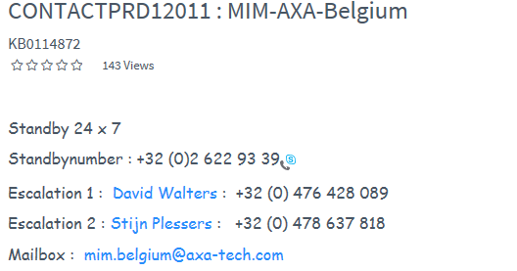
QUEUE Manager
QMOLE103 |  |  | Special queue -- In Day increase queue depth by 1, don't restart. If alert comes again, increase again
 |  |  | After restarting QUEQUE, always reset the Datagram queue then perform delete of messages

Additional Details
For Refresh in Staging |  |  | Release PP$Q31$TPL$RFRSH in P2 itself
For adding OPC plan |  |  | If RECP is required for the first job, give 5.1 --> app name-->enter enter enter -->set end time--> give OPER --> change if req, the value to RECP
For AIOP* jobs |  |  | Mail has been sent to BUSINESS.REPORTING.DBS@AXA.BE. Sysout moved to Dev class 6 |  |  |  |  | During TW of P2, 1st WTOR will come due to QPSSTOPH job around 22:30 CET By that time, all QPS* should be completed except QPSBCHKX and QPSCHCKX
For BSRA uncommitted |  |  | Use command F CICS001,CEMT- I TASK(*) TRAN(SI16). If CICSP then it is CICS001 Check for keword DSNJ031I
For Subsystem Restart |  |  | From within SDSF enter : /SAP1 UP SMTP meaning : SA = System Automation P1 = Environment (i.e. P1 = Bank Production, P2 would be Insurance Production) UP = Start (bring a Started Task UP) SMTP = the name of the started task
No Paths available |  |  | *06.00.05 SMFS *IOS002A 0FE6,NO PATHS AVAILABLE *06.02.52 SMFS STC12168 *AXA003D IOS581E LINK FAILED REPORTING CHPID=0D * INCIDENT UNIT TM=002498/R06 SER=IBMCA-0232LC IF=3101 IC=03 INCIDENT * UNIT L Issue d m=chp(0d)
For TW P2 |  |  | We can release S2 in the end |  |  |  |  | After the 1st WTOR, then around 00: 45 CET, the above WTOR comes due to QPSBCHKA job, reply to it as well
For starting MSGCLASS |  |  | Go to job of ARJMD2AC and reply to WTOR and when batch is ending go to ARJMD1AC and reply to WTOR
Handling GLRM |  |  | Handling critical applications on Staging/Production GLRM !!
DUMP WILL BE FORCED |  |  | Give WTOR number and enter |  |  |  |  | • Next(after above comp), check if all related QP* applications completed, then release QPSCHCKX • Then just after releasing, reply to below WTOR due to QPSCHCKA
THREAD Related DB2 |  |  | knowledgeroot/uploads/file/AT-BE/Mainframe%20insurance/db2/DB2MC03%20-%20DISPLAY%20and%20CANCEL%20THREAD.doc
OLTB/ATOS |  |  | NO: 33 (0) 25 482 3131
AMKTML00 |  |  | Check mail for action -specific space parameters must be added
For Omegamon Tickets |  |  | Assign tickets to AS-ASB_L2_ATSBE
PKE.PJ.DB |  |  | Jobs are picked from here when OPC is planned for applications/Jobs
Imputation Job |  |  | Check AMAKD1AD job
AMFSA400 completion |  |  | Check AROPD1AH job to reply
Search for abend code |  |  | Format: BOOK (string)
Cornerstone Application |  |  | 9663063599 - On call number for OICRF (cornerstone application)
For MAC Demand creation |  |  | Master Data and CIF
For Releasing Entities in Q3/P2 |  |  | Do not release (or ask to release) entities if this concern a DB2 table reinit. This concerns applications GG69*, GE51*, GK80*, GM33*, GLA3* GLE2* (and maybe others) as Monitoring Center are not granted to free the locks on the table of such jobs. An import or a recovery is needed to free GLRM but also to free the PENDING State in DB2. Those kind of jobs must be re-executed and it is more difficult when the entity is over ! In general, do not free an entity before a deep analysis !
CTL PGM NOT ACTIVE(DFS690A) |  |  | Handling CTL PGM NOT ACTIVE alert
Check OPENCLASS 8,9 |  |  | Go to SDSF in Q3 and then give JC, then scroll down
Search for details in sdsf |  |  | search xxxxxxx
DA OJOB, then pre * |  |  | To check if jobs are running in Prod during TW. XMANAGER jobs are fine
To copy files across environments |  |  | Copy files across ENV
Online Reorgs INS |  |  | Delete Dependency in INS- online Reorgs
To Auto-scrool |  |  | BOT &3
To Auto-refresh |  |  | &3
Copy of GT abends groups |  |  | D1RXO7E.GTABND.CHECK.SILVAGP
GLR$T11$DDF$ACT |  |  | If this application is in error with SGP1100O in error..then wait for TWS1 to complete then restart. This has cross dependency with P1 CICS coming up

ARJSWC00D |  |  | Key point CICS up DTWend - To check if CICS is UP on D1

proddis pool qbuf |  |  | To check pool buffer percentage

OLTB check and correction |  |  | OLTB process

Reset/Delete sessions in IMS staging/PROD |  |  | Reset IMS userID

Display Job Name by Number |  |  | $DJ0188565 ($D(jobnumber)) - without brackets
Phoenix Life Portal |  |  | Applications 78 and 79 should be UP for this
AMKTMKAD |  |  | Use New Samger after checking in SDSF if checkpoints and B37 and check dataset if single/multivol and extents used is full then follow
INC0676331 |  |  | CLINK is not responding properly --> If Ticket required..refer this
Q3 REFRESH PROCESS |  |  | Before S1 and S2 applications, the stopped STC's should be UP again (but in doc, it's mentioned differently) For Candle systems -- check inglist CAN* -- whichver in Q3 has stop vote, kill it
GTOR$P2$RELE2 |  |  | During Release, this application will have job IP111OPN to open IMS. This can be put on hold if requested
a |  |  | To release midnight jobs, give a before the job name
For GTEXSV* |  |  | Link for WLSPRD208 doc
FILTER C EQ jobclass |  |  | To filter for specific Jobclass
Retrieve |  |  | To retrieve last commands issued(give on 6)
Cancel AOC sesion |  |  | /SAXX STOP IMMED=userid
Check DMPRDEST if auto-mail not received |  |  | For confirming if package execution is successful
PF Key settings |  |  | Use Clist LOGONALL
SAXXDISSHUT |  |  | To check status of stuck jobs/tasks

 | GTIDIMS | TLF IMS Control Region
 | GTIEIMS | FT2 IMS Control Region
 | GTIJIMS | Q031 IMS Control Region
 | GTIPIMS | PROD IMS Control Region
 | GTISIMS | SYST IMS Control Region
 | GTITIMS | TEST IMS Control Region
 | IQ91IMS | IMS IQ91 / EPM
 | IT91IMS | IMS IT91 / EPM
 | IU91IMS | IMS IU91 / EPM

 |  |  |  |  |  |  | This is same as mentioned in KR

Test
Open OUTLOOK

